legende Minimized
Primarykey | Unique row id (generated via ID and Date)
ID | User id
Date | Timestamp | YYYY-MM-DD
ST_Entertainment.Media | Screen Time - Entertainment Media | Seconds
ST_Social.Media | Screen Time - Social Media | Seconds
ST_Study.Work.Related | Screen Time - Study Work Related Media | Seconds
ST_Communication.Technology | Screen Time - Communication technologie | Seconds
ST_Uncategorized | Screen Time - Uncategorized | Seconds
Total_Screentime | Total Screen Time | Seconds
Wellness Activity Check S101 | Did you successfully do the activity (meditation/screen time limit) today? | 1 No/ 2 Yes
Wellness Activity Planning S108 | Did you plan to do the activity today? | 1 No/ 2 Yes
 | Posible dependent variables
cognitive_wellbeing_S201_01 | How positively do you feel about yourself today? | Likert 1-7 (Not at all - Extremely)
positive_wellbeing_score | How do you feel today? (summarized - Happy/Exited/Enthusiastic/Inspired) | Likert 1-7 (Not at all - Extremely)
negative_wellbeing_score | How do you feel today? (summarized - Sad/Irratable/Distresse/Afraid) | Likert 1-7 (Not at all - Extremely)
work_exhausting_S204_01 | My work/life as a student was mentally exhausting today. | Likert 1-7 (Strongly Disagree -Strongly Agree)
work_engagement_S206_01 | I felt energetic in my work/life as a student today. | Likert 1-7 (Strongly Disagree -Strongly Agree)
satisfaction_S208_01 | I am satisfied with my work/life as a student today | Likert 1-7 (Strongly Disagree -Strongly Agree)
performance_S212_01 | I felt productive in my work/life as a student today. | Likert 1-7 (Strongly Disagree -Strongly Agree)
 | Possible independ variables
 | Based on your relative evaluation, how much time today…
Needs_SM | ...would you have liked to spend on… | Likert 1-9 (No time at all - All my time awake)
Needs_EM | ...would you have liked to spend on… | Likert 1-9 (No time at all - All my time awake)
Needs_ct | ...would you have liked to spend on… | Likert 1-9 (No time at all - All my time awake)
Needs_study_ICT | ...would you have liked to spend on… | Likert 1-9 (No time at all - All my time awake)
Needs_non-ICT | ...would you have liked to spend on… | Likert 1-9 (No time at all - All my time awake)
Supplies_SM | ...did you actually spend on… | Likert 1-9 (No time at all - All my time awake)
Supplies_EM | ...did you actually spend on… | Likert 1-9 (No time at all - All my time awake)
Supplies_ct | ...did you actually spend on… | Likert 1-9 (No time at all - All my time awake)
Supplies_study_ICT | ...did you actually spend on… | Likert 1-9 (No time at all - All my time awake)
Supplies_non-ICT | ...did you actually spend on… | Likert 1-9 (No time at all - All my time awake)
Needs_Time_sleep_S409_01 | ...would you have liked to spend on… | Likert 1-9 (No time at all - All lot)
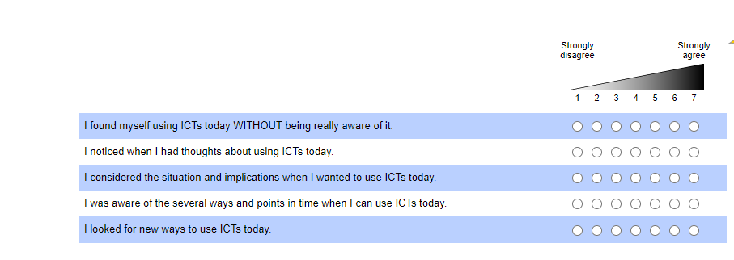
Needs_time_exercise_S409_02 | ...would you have liked to spend on… | Likert 1-9 (No time at all - All lot)
supplies_time_sleep_S403_01 | ...did you actually spend on… | Likert 1-9 (No time at all - All lot)
Supplie_time_exercise_S403_02 | ...did you actually spend on… | Likert 1-9 (No time at all - All lot)
 | To what degree…
Mindfulness_SM | ... would you have prefered that social media… (summarized) | Likert 1-7 (Strongly Disagree -Strongly Agree)
Mindfulness_EM | ... would you have prefered that entertainment media… (summarized) | Likert 1-7 (Strongly Disagree -Strongly Agree)
Mindfulness_CT | ... would you have prefered that communication technologies… (summarized) | Likert 1-7 (Strongly Disagree -Strongly Agree)
Mindfulness_ST | ... would you have prefered that study ICT… (summarized) | Likert 1-7 (Strongly Disagree -Strongly Agree)
Mindfulness_Non_ICT | ... would you have prefered that non-ICt… (summarized) | Likert 1-7 (Strongly Disagree -Strongly Agree)
Mindfulness_ALL | ... would you have prefered that ICTs… (summarized) | Likert 1-7 (Strongly Disagree -Strongly Agree)
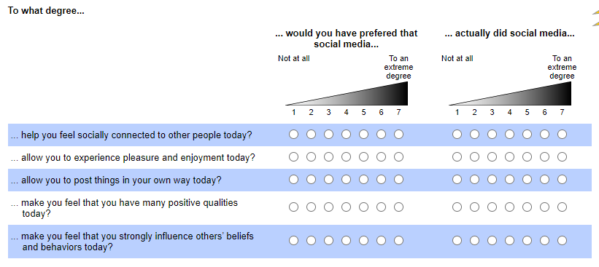
Needs_SM_Perceived | ... would you have prefered that social media… (summarized) | Likert 1-7 (not at all - to a extreme dagree)
Needs_EM_Perceived | ... would you have prefered that entertainment media… (summarized) | Likert 1-7 (not at all - to a extreme dagree)
Needs_CT_Perceived | ... would you have prefered that communication technologies… (summarized) | Likert 1-7 (not at all - to a extreme dagree)
Needs_Study.ICT_Perceived | ... would you have prefered that study ICT… (summarized) | Likert 1-7 (not at all - to a extreme dagree)
Needs_Non.ICT_Perceived | ... would you have prefered that non-ICt… (summarized) | Likert 1-7 (not at all - to a extreme dagree)
Needs_All_Perceived | ... would you have prefered that ICTs… (summarized) | Likert 1-7 (not at all - to a extreme dagree)
Supplies_SM_Perceived | ... actually did social media… | Likert 1-7 (not at all - to a extreme dagree)
Supplies_EM_Perceived | ... actually did entertainment media… | Likert 1-7 (not at all - to a extreme dagree)
Supplies_CT_Perceived | ... actually did communication technologies… | Likert 1-7 (not at all - to a extreme dagree)
Supplies_Study.ICT_Perceived | ... actually did study ICTs… | Likert 1-7 (not at all - to a extreme dagree)
Supplies_Non.ICT_Perceived | ... actually did non ICTs… | Likert 1-7 (not at all - to a extreme dagree)
Supplies_All_Perceived | ... actually did ICTs… | Likert 1-7 (not at all - to a extreme dagree)
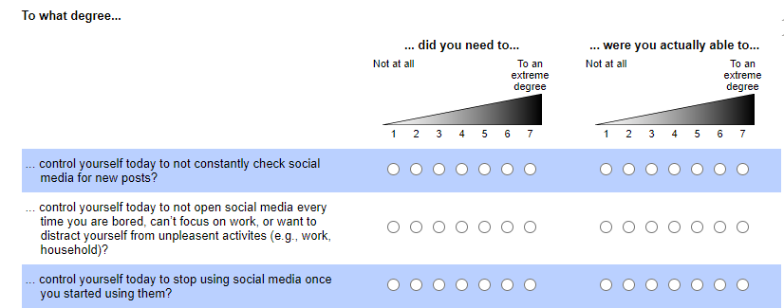
Needs_SM_self_control | ... would you have prefered that social media… (summarized) | Likert 1-7 (not at all - to a extreme dagree)
Needs_EM_Abilities.Demandself_control | ... would you have prefered that entertainment media… (summarized) | Likert 1-7 (not at all - to a extreme dagree)
Needs_CT_self_control | ... would you have prefered that communication technologies… (summarized) | Likert 1-7 (not at all - to a extreme dagree)
Needs_Study.ICT_self_control | ... would you have prefered that study ICT… (summarized) | Likert 1-7 (not at all - to a extreme dagree)
Needs_Non.ICT_self_control | ... would you have prefered that non-ICt… (summarized) | Likert 1-7 (not at all - to a extreme dagree)
Needs_All_self_control | ... would you have prefered that ICTs… (summarized) | Likert 1-7 (not at all - to a extreme dagree)
Supplies_SM_self_control | ... actually did social media… | Likert 1-7 (not at all - to a extreme dagree)
Supplies_EM_self_control | ... actually did entertainment media… | Likert 1-7 (not at all - to a extreme dagree)
Supplies_CT_self_control | ... actually did communication technologies… | Likert 1-7 (not at all - to a extreme dagree)
Supplies_Study.ICT_self_control | ... actually did study ICTs… | Likert 1-7 (not at all - to a extreme dagree)
Supplies_Non.ICT_self_control | ... actually did non ICTs… | Likert 1-7 (not at all - to a extreme dagree)
Supplies_All_self_control | ... actually did ICTs… | Likert 1-7 (not at all - to a extreme dagree)

